Blad1
Pierre Cardin Polo
Photo | Description | Colour | S | M | L | XL | XXL | Total | Retail
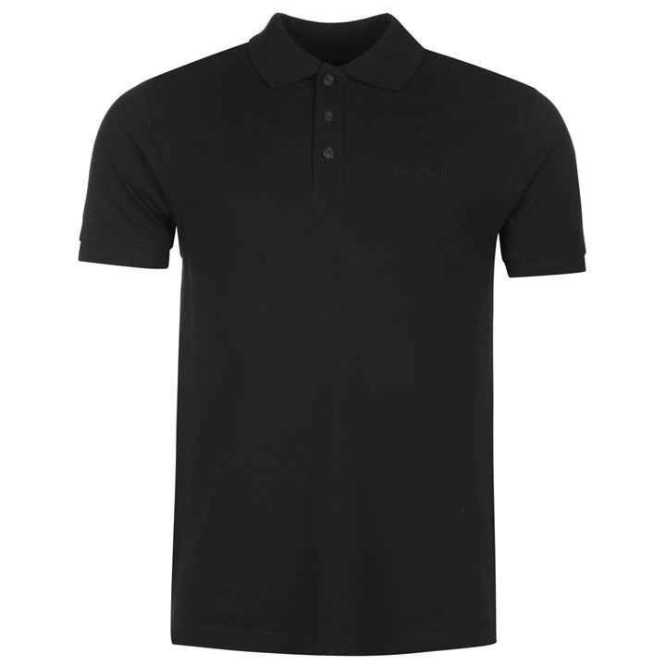 | Poloshirt | Black | 399 | 663 | 2587 | 1816 | 631 | 6096 | € 49.95
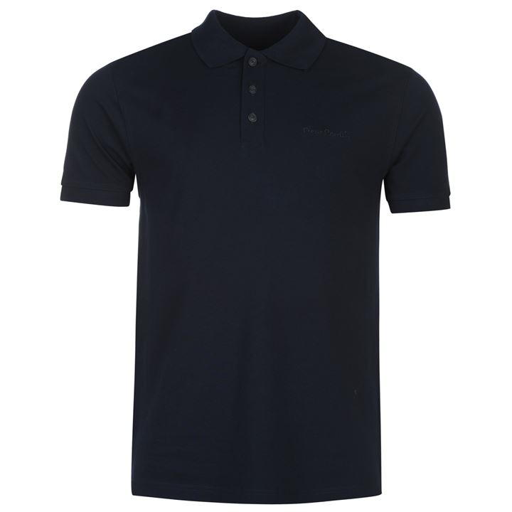 | Poloshirt | Navy | 337 | 117 | 682 | 18 | 29 | 1183 | € 49.95
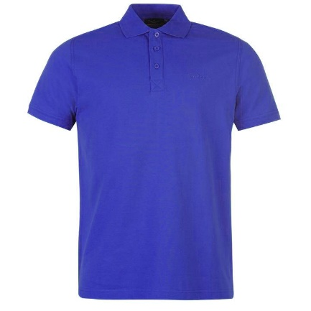 | Poloshirt | Cobalt | 147 |  |  |  |  | 147 | € 49.95
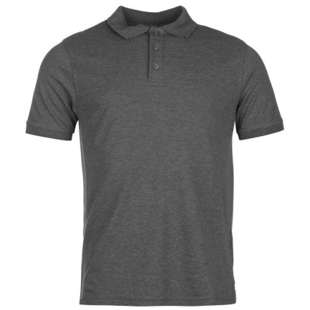 | Poloshirt | Antra | 364 | 733 | 828 | 618 | 286 | 2829 | € 49.95
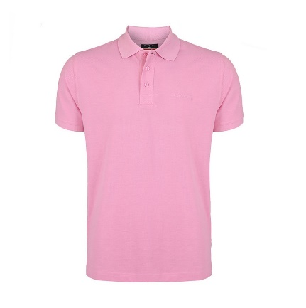 | Poloshirt | Pink | 19 |  | 656 |  |  | 675 | € 49.95
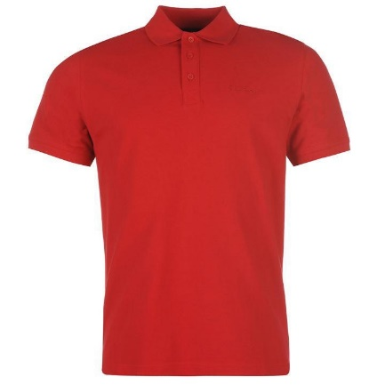 | Poloshirt | Red | 67 |  | 210 |  |  | 277 | € 49.95
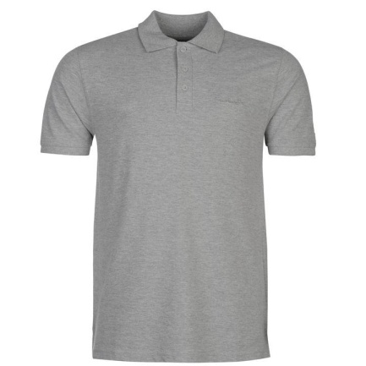 | Poloshirt | Grey |  | 95 | 506 |  | 12 | 613 | € 49.95
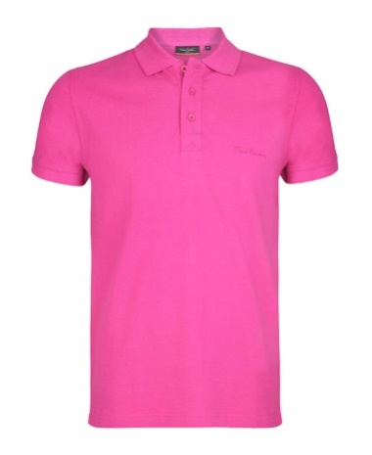 | Poloshirt | Fuchsia | 41 | 51 | 856 | 200 | 201 | 1349 | € 49.95
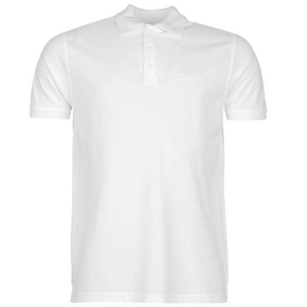 | Poloshirt | White | 131 | 48 | 835 | 169 | 103 | 1286 | € 49.95
 |  |  |  |  |  |  |  | 14455

